Packets over Interface
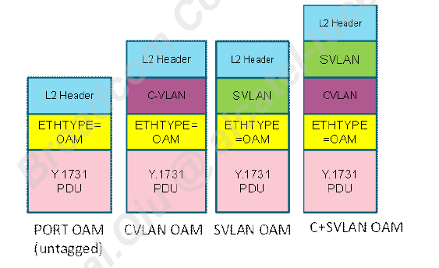
Interface | Line color | Packet | Encap_type
OTC<-->FPGA | <---> | PTP | ETH with VSC VLAN
 |  | ESMC
Monterey#1/#2<-0->FPGA | <---> | PTP | ETH with SVLAN
 |  | ESMC
Monterey#1/#2<-1->FPGA | <---> | OAM | OLP
 |  | LACP
 |  | BPDU
 |  | IBM | Pure ETH
FPGA_MAC0<-->CPU | <---> | OAM | OLP
 |  | LACP
 |  | BPDU
 |  | PTP | MiM+TLV
 |  | ESMC | MiM
 |  | IBM | Pure ETH
FPGA_MAC1<-->CPU | <---> | LACP | OLP
 |  | BPDU
 |  | IBM | Pure ETH

备注：
1. IBM: In-band management, it’s one kind of UDP/IP packet，按照不定长的3层报文处理IBM报文
2. PTP报文增加的TLV，仅在CPU侧有效
3. ETH OAM支持untaged，一层vlan(C-VLAN / S-VLAN),2层vlan(C-VLAN+S-VLAN)

